About
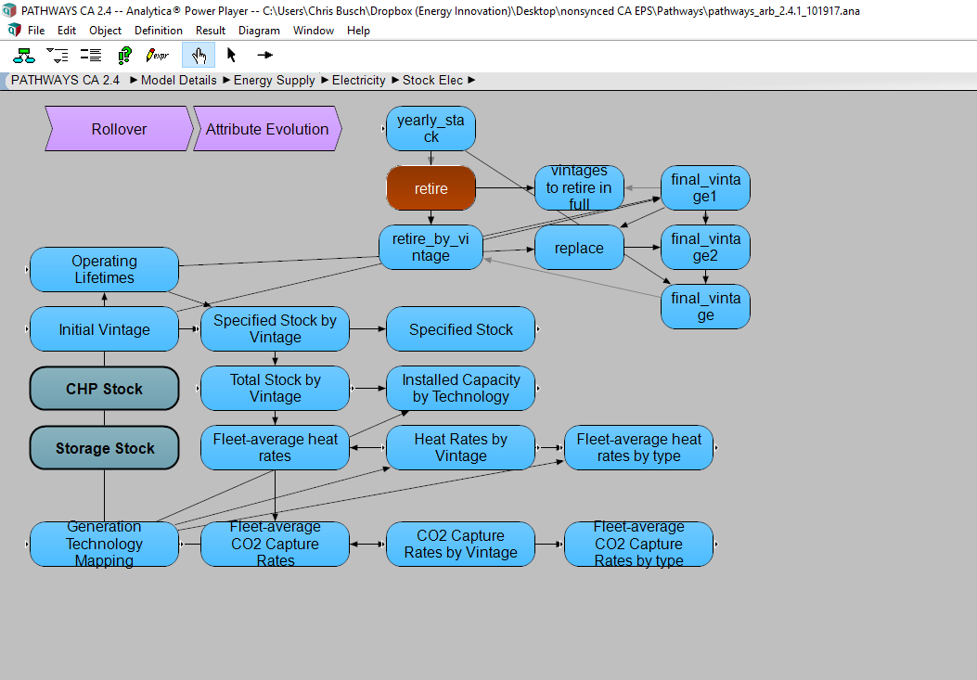
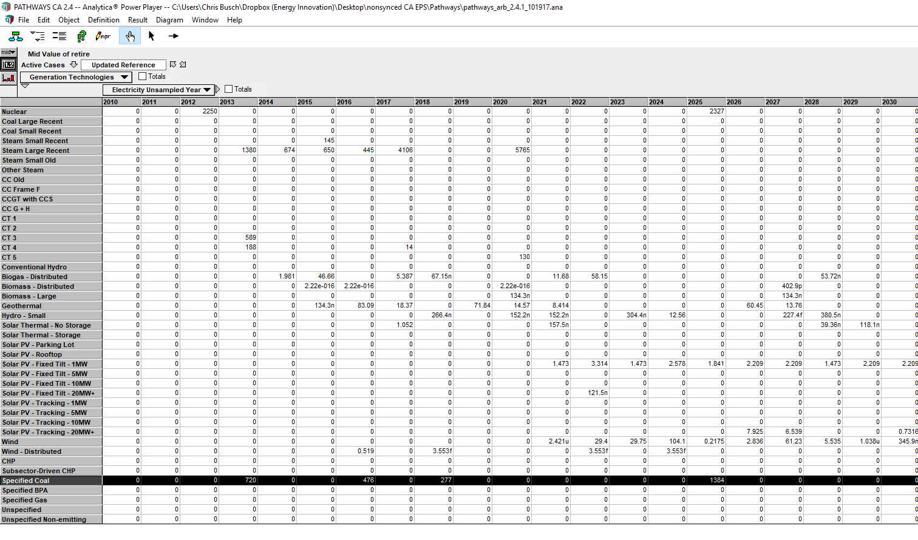
BCR BAU Capacity Retirements

Sources:
 | Energy + Environmental Economics, Inc.
 | California Pathways model, 2030 Scoping Plan Analysis
 | September 2017 release
 | Model documentation: https://www.arb.ca.gov/cc/scopingplan/california_pathways_model_framework_jan2017.pdf
 | Discussion of model application for Scoping Plan: https://www.arb.ca.gov/cc/scopingplan/2030sp_appd_pathways_final.pdf
 | Model itself downloadable (as of July 26, 2018): https://www.arb.ca.gov/cc/scopingplan/pathways_arb_2.4.1_101917.zip

 | Union of Concerned Scientists
 | Turning Down the Gas in California The Role of Natural Gas in the State’s Clean Electricity Future
 | Aug-18
 | https://www.ucsusa.org/sites/default/files/attach/2018/08/Turn-Down-Technical-Appendix.pdf

 | California Public Utilities Commission, Proceeding - A1608006
 | DECISION APPROVING RETIREMENT OF DIABLO CANYON NUCLEAR POWER PLANT.
 | http://docs.cpuc.ca.gov/PublishedDocs/Published/G000/M205/K090/205090240.PDF

Notes
Foundation of Pathways data.
Nuclear updated to match SYC from CEC data
The tab "California Pathways" data presents the source data in Pathways
and "How to Find" provides a tip on finding the data within the model itself.

By March 2019, required updating, and augment with UCS study data and the CPUC IRP.
Augmentation shown in sheet "UCS data and calculations".

Assume coal is retired over 4 years.

Plant Categorization is as follows:
natural gas nonpeakers | We assume all steam turbines are nonpeaking natural gas plants.
natural gas peakers | We assume combustion turbines are natural gas peakers.

In the EPS, these represent policy-induced changes in the BAU that would not be captured
by usual lifetime turnover or economic closure.
Therefore, renewable and zero carbon emitting sources (vis-à-vis exhaust pipes) are excluded.

How to find Pathways data

Natural Gas Peaker Retirements
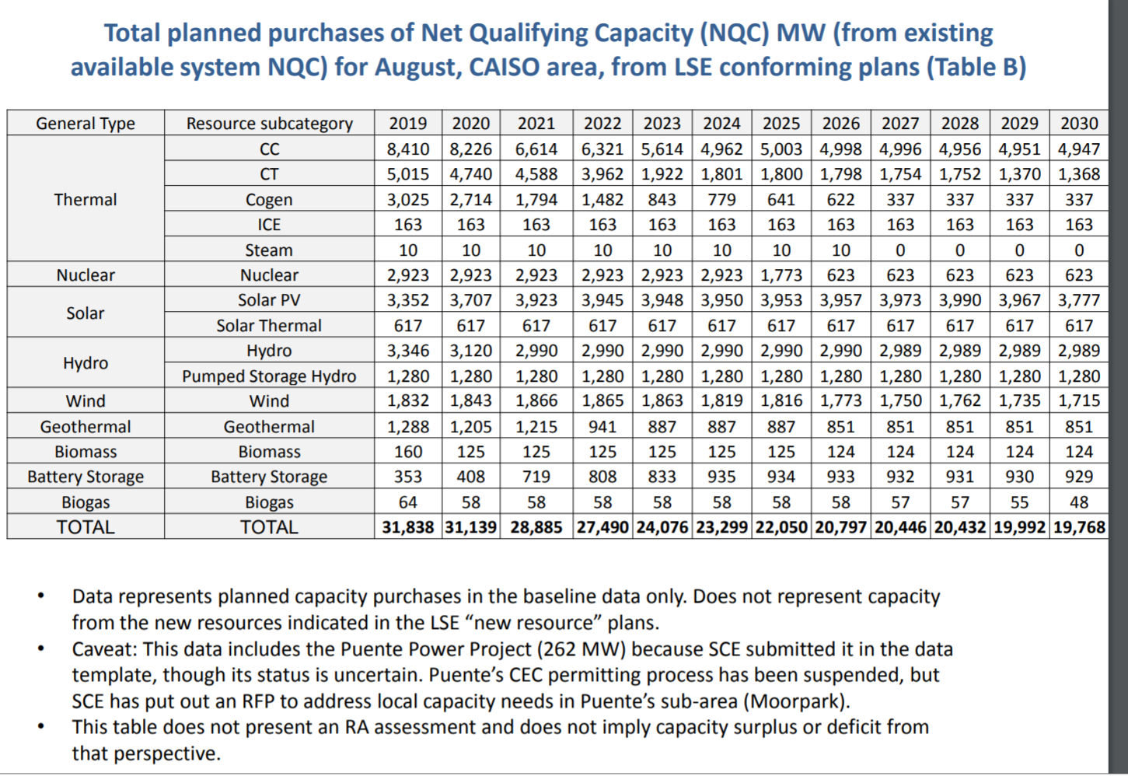
Based on UCS modelng and IRP insights, e.g. slide excerpt below, include retirement of 20 percent of existing natural gas peaker plants.
The lowest retirement level amounts to 24% from the UCS study, table ES-2, below.
Retirements equal to this minimum level of 24% are included in the BAU scenario, over 2027-2030

Allocate over the range 2027-2029

current capacity | 12429 |  | 2017 value in EPS, MW
24% of 2017 level selected | 2982.96

 | 2027 | 2028 | 2029
annual retirements | 994.3 | 994.3 | 994.3

It is also notable that peaker plants are be disproportionately located in disadvantaged communities.
There are environmental justice drivers also encouraging natural gas peaker retirement, not just economic viability.
https://www.cpuc.ca.gov/uploadedFiles/CPUCWebsite/Content/UtilitiesIndustries/Energy/EnergyPrograms/ElectPowerProcurementGeneration/irp/2018/Attachment%20A_Proposed%20Preferred%20System%20Portfolio%20for%20IRP%202018_final.pdf
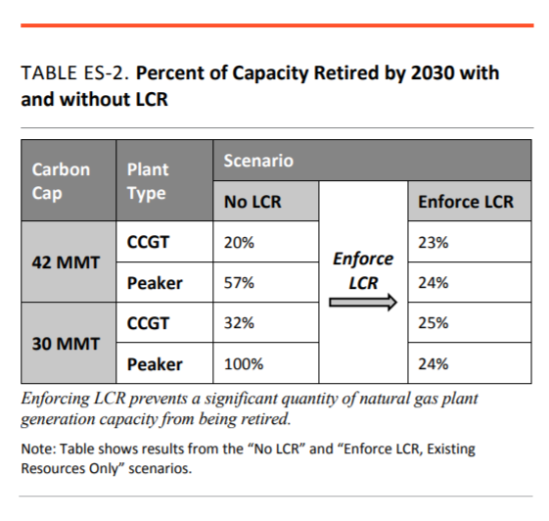
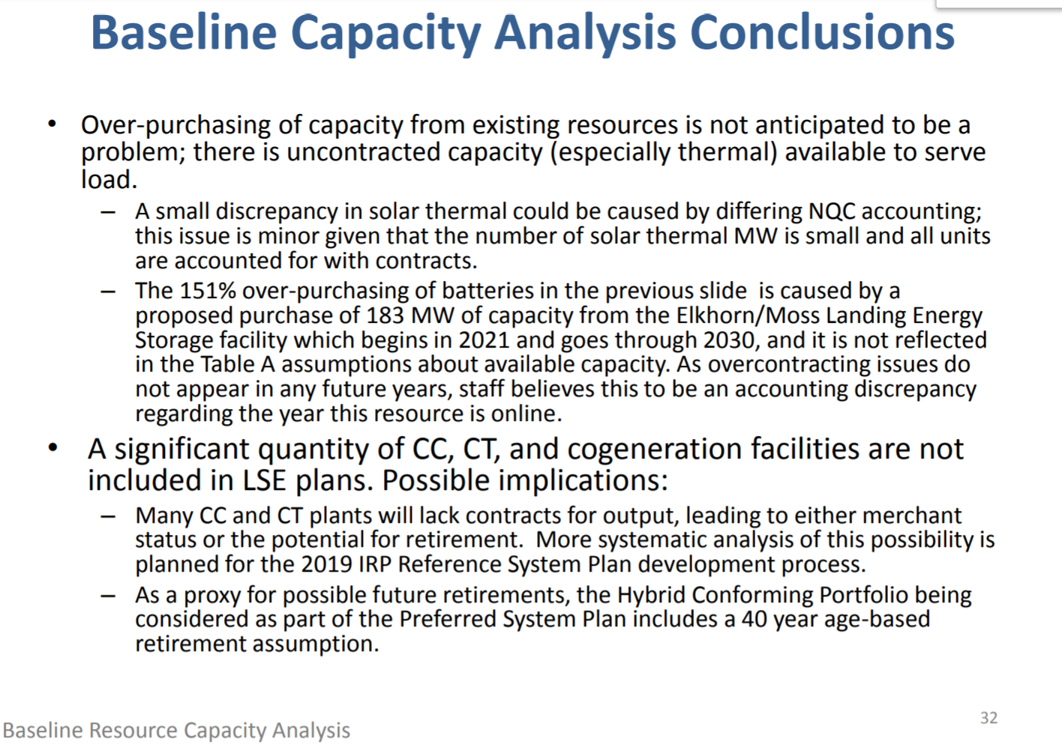

per | https://www.cpuc.ca.gov/uploadedFiles/CPUCWebsite/Content/UtilitiesIndustries/Energy/EnergyPrograms/ElectPowerProcurementGeneration/irp/2018/Attachment%20A_Proposed%20Preferred%20System%20Portfolio%20for%20IRP%202018_final.pdf

